Glycans
File name | Row number in file | Glytoucan ID | Cartoon | Glytoucan Image | Status | Error | Paper | Species | Tissue | Cell line ID | Disease | has_abundance | has_expression | Functional annotation/Keyword | Glycan dictionary term ID | Contributor | Experimental technique
FlyOglycansTiemeyerpaper.gws | 1 | G61406KC |  |  | ALREADY_IN_GLYTOUCAN |  |  |  |  |  |  | no | no |  |  | createdBy:Mindy Porterfield(mindyp@ccrc.uga.edu, CCRC)
FlyOglycansTiemeyerpaper.gws | 2 | G77259GO |  |  | ALREADY_IN_GLYTOUCAN |  |  |  |  |  |  | no | no |  |  | createdBy:Mindy Porterfield(mindyp@ccrc.uga.edu, CCRC)
FlyOglycansTiemeyerpaper.gws | 3 | G07159FP |  |  | ALREADY_IN_GLYTOUCAN |  |  |  |  |  |  | no | no |  |  | createdBy:Mindy Porterfield(mindyp@ccrc.uga.edu, CCRC)
FlyOglycansTiemeyerpaper.gws | 4 | G19926DJ |  |  | ALREADY_IN_GLYTOUCAN |  |  |  |  |  |  | no | no |  |  | createdBy:Mindy Porterfield(mindyp@ccrc.uga.edu, CCRC)
FlyOglycansTiemeyerpaper.gws | 5 | G92060FM | 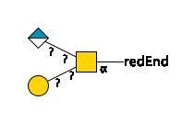 | 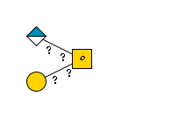 | NEWLY_REGISTERED |  |  |  |  |  |  | no | no |  |  | createdBy:Mindy Porterfield(mindyp@ccrc.uga.edu, CCRC)
FlyOglycansTiemeyerpaper.gws | 6 | G63294UT | 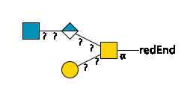 | 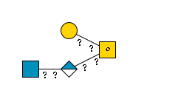 | NEWLY_REGISTERED |  |  |  |  |  |  | no | no |  |  | createdBy:Mindy Porterfield(mindyp@ccrc.uga.edu, CCRC)
FlyOglycansTiemeyerpaper.gws | 7 | G24842HP |  |  | NEWLY_REGISTERED |  |  |  |  |  |  | no | no |  |  | createdBy:Mindy Porterfield(mindyp@ccrc.uga.edu, CCRC)
FlyOglycansTiemeyerpaper.gws | 8 | G41502PL | 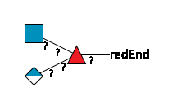 | 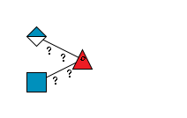 | NEWLY_REGISTERED |  |  |  |  |  |  | no | no |  |  | createdBy:Mindy Porterfield(mindyp@ccrc.uga.edu, CCRC)
FlyOglycansTiemeyerpaper.gws | 9 | G31601FB | 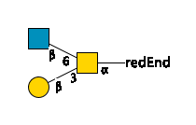 | 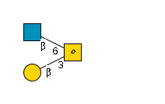 | ALREADY_IN_GLYTOUCAN |  |  |  |  |  |  | no | no |  |  | createdBy:Mindy Porterfield(mindyp@ccrc.uga.edu, CCRC)
FlyOglycansTiemeyerpaper.gws | 10 | G05620JQ | 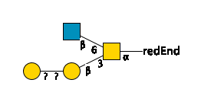 | 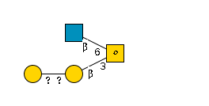 | NEWLY_REGISTERED |  |  |  |  |  |  | no | no |  |  | createdBy:Mindy Porterfield(mindyp@ccrc.uga.edu, CCRC)
FlyOglycansTiemeyerpaper.gws | 11 | G29055GT | 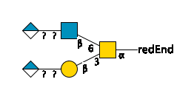 | 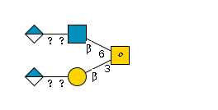 | NEWLY_REGISTERED |  |  |  |  |  |  | no | no |  |  | createdBy:Mindy Porterfield(mindyp@ccrc.uga.edu, CCRC)
FlyOglycansTiemeyerpaper.gws | 12 | G32374SR |  |  | ALREADY_IN_GLYTOUCAN |  |  |  |  |  |  | no | no |  |  | createdBy:Mindy Porterfield(mindyp@ccrc.uga.edu, CCRC)
FlyOglycansTiemeyerpaper.gws | 13 | G51661YR |  |  | ALREADY_IN_GLYTOUCAN |  |  |  |  |  |  | no | no |  |  | createdBy:Mindy Porterfield(mindyp@ccrc.uga.edu, CCRC)
FlyOglycansTiemeyerpaper.gws | 14 | G07439EE | 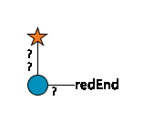 | 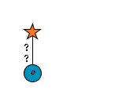 | NEWLY_REGISTERED |  |  |  |  |  |  | no | no |  |  | createdBy:Mindy Porterfield(mindyp@ccrc.uga.edu, CCRC)
FlyOglycansTiemeyerpaper.gws | 15 | G12607SG | 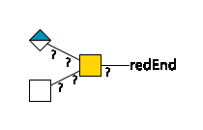 | 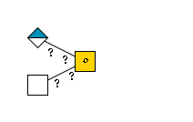 | NEWLY_REGISTERED |  |  |  |  |  |  | no | no |  |  | createdBy:Mindy Porterfield(mindyp@ccrc.uga.edu, CCRC)
FlyOglycansTiemeyerpaper.gws | 16 | G13665RS |  |  | NEWLY_REGISTERED |  |  |  |  |  |  | no | no |  |  | createdBy:Mindy Porterfield(mindyp@ccrc.uga.edu, CCRC)
FlyOglycansTiemeyerpaper.gws | 17 | G42290RD | 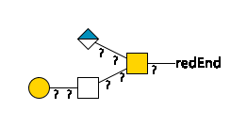 | 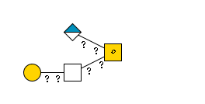 | NEWLY_REGISTERED |  |  |  |  |  |  | no | no |  |  | createdBy:Mindy Porterfield(mindyp@ccrc.uga.edu, CCRC)
FlyOglycansTiemeyerpaper.gws | 18 | G42541FR | 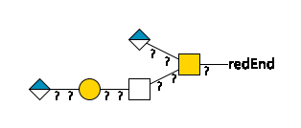 | 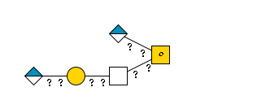 | NEWLY_REGISTERED |  |  |  |  |  |  | no | no |  |  | createdBy:Mindy Porterfield(mindyp@ccrc.uga.edu, CCRC)

